Sheet1
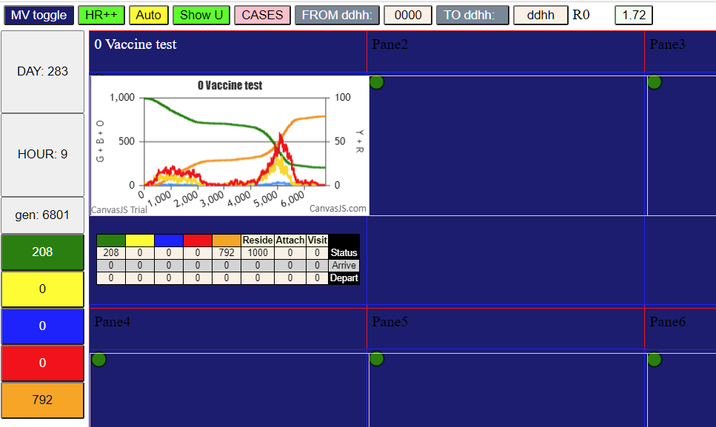

70% vax, biphasic after 120 days

